Warrant
INSPECTION STANDARD REQUEST COVER SHEET

 |  | SUPPLIER CODE: |  |  |  |  | q | DRAFT INSPECTION STANDARD
 |  | PART NUMBER: |  |  |  |  | n | APPROVED INSPECTION STANDARD
 |  | PART NAME:

 |  |  |  | RECEIVING COMPANY |  |  |  |  |  | REQUESTING COMPANY
 | TO: |  |  |  |  |  | FROM: | Wahl Vietnam

 | ATTN: |  |  |  |  |  | ATTN:

A. REQUESTING Q.C. DEPARTMENT
 | A. REASON FOR REQUEST: (SELECT ONE ONLY)
 |  |  |  |  |  |  |  |  |  |  |  | ]'\
 | n | REQUEST FOR REVIEW |  |  | [ DRAFT / REVISED / FORMAL; CIRCLE ONE]
 |  | THE INSPECTION STANDARD FOR THE ABOVE LISTED PART NO. HAS BEEN SUBMITTED FOR REVIEW.
 |  | PLEASE REVIEW, DECIDE IF IT IS ACCEPTABLE, AND REPLY BELOW BY ( ).

 |  | DESCRIPTION OF REVISION (WAHL USE ONLY):

 |  | NOTE: PLEASE REVISE MQC/CP IF AFFECTED BY INSPECTION STANDARD REVISION

 | o | REQUEST FOR DRAFT (WAHL USE ONLY)

 |  | YOU ARE REQUESTED TO PREPARE A DRAFT PART INSPECTION STANDARD FOR THE ABOVE PART NUMBER(S).
 |  | RETURN THIS SHEET AS AN ACKNOWLEDGMENT OF THIS REQUEST TO WAHL QUALITY BY _______________.

 |  | BE SURE TO INCLUDE THE DATE WHEN THE COMPLETED INSPECTION STANDARD DRAFT WILL ARRIVE AT
 |  | WAHL QUALITY. INSPECTION STANDARD MUST BE SUBMITTED TO WAHL QUALITY BY _______________.

 | o | SUPPLIER IS REQUESTED TO FABRICATE ONE CHECKING FIXTURE FOR THIS PART
 | o | SUPPLIER IS REQUESTED TO FABRICATE TWO CHECKING FIXTURES FOR THIS PART (1=WAHL, 1=SUPPLIER)
 | o | NO CHECKING FIXTURE IS REQUIRED FOR THIS PART
 | REQUESTING QC DEPARTMENT APPROVALS:
SIGNATURE &
DATE
 |  |  |  |  | / / |  | / / |  |  | / / | / /
NAME IN PRINT &
TITLE
B. RECEIVING DEPT
 | B. REPLY TO REQUEST
 | TO: | WAHL QC / SUPPLIER |  |  |  |  | ATTN:

 |  | WE HAVE REVIEWED YOUR REQUEST: (SELECT ONE)
 |  | o | APPROVED: |  |  |  |  |  | FOR REVISION, WILL IMPLEMENT BY:
 |  |  |  |  |  |  |  |  | FOR REQUEST OF DRAFT, WILL SUBMIT BY:
SIGNATURE &
DATE
 |  | o | QUESTIONS AND/OR CONCERNS AS PER ATTACHED SHEETS. PLEASE CONTACT US IMMEDIATELY.
NAME IN PRINT &
TITLE
 |  |  |  |  | / / |  | / / |  |  | / / | / /

ORIGINAL WITH REPLY
 | REQUESTING Q.C. DEPT |  |  |  |  | RECEIVING Q.C. DEPT |  |  |  | REQUESTING QC DEPT.

COVER
787/9D
a
DATUMS:
( I ) - Primary (L, W, H)
( II ) - Secondary (W, L)
( III ) - Tertiary ( H )
2
11
9
x
x
x
x
APPROVAL TYPE
TMM Q.C. ISSUED
x
FINISHED
UNFINISHED
CASTING
FORGING
TOTAL #
W I S |  |  |  | Part: |  |  |  |  |  |  |  |  |  |  |  | DATE |  |  |  |  |  | PAGE ( COVER 1/ 3 )
PART NO: |  |  |  |  |  |  |  |  |  |  | PART NAME: |  |  |  |  |  |  |  |  |  |  |  |  |  |  | ib_safety |  | trimmer_hdpe |  | acessory_1 | accessory_2 |  | accessory_3 |  | accessory_4
 |  |  |  |  |  |  |  |  | PROCESS: |  | Build & Pack
Rec. Insp.
Plant #1
Plant #2
Supplier
TMC Aust.
TMC Japan
R P.E.
W P.E.
TMM NA Pur.
Tch.Supt.
__________
__________
__________
__________
 |  |  |  |  |  |  |  |  | MATERIAL: TPO
SKETCH:

 |  |  |  |  |  |  |  |  |  |  |  |  |  |  | lazer_actual

 |  | fg_colorbox_front |  |  |  |  |  |  |  |  | trimmer_front & trimmer_back

 |  |  |  |  |  |  |  |  |  |  |  |  |  |  |  |  |  |  |  |  |  |  |  |  |  | colorbox_front & colorbox_back |  | colorbox_top & colorbox_bottom |  | label | top_view_inside | how_to_fold_1 |  | how_to_fold_2 |  | how_to_fold_3

 |  |  |  |  |  |  |  |  |  |  |  |  |  |  | lazer_drawing

 |  |  |  |  |  |  |  |  |  |  |  |  |  |  | nom_lable
 |  |  |  |  |  |  |  |  |  |  |  |  |  |  |  |  |  |  |  |  |  |  |  |  |  |  |  |  |  | colorbox_nom_label

 | ISS. |  | DATE |  |  |  | REVISION RECORD |  |  |  |  |  |  |  | Wahl |  |  |  |  |  | Supplier
 |  |  |  |  |  |  |  |  |  |  |  |  |  |  | MGR. |  | Mfg Eng | Quality |  | SPEC. | DIR. | MGR. |  | A.MGR. | ENG.
0 |  |  |  |  |  |  | Initial Issue

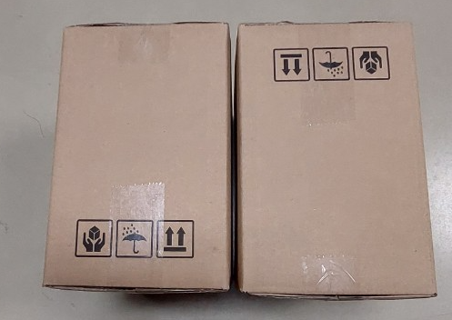
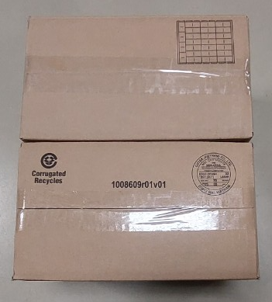
 |  |  |  |  |  |  |  |  |  |  |  |  |  |  |  |  |  |  |  |  |  |  |  |  |  |  | actual_inside_packaging

 | INITIAL WAHL SIGN-OFF |  |  |  |  |  |  |  |  |  | WAHL LOCATION: |  |  |  |  |  |  | INITIAL SUPPLIER SIGN-OFF
 | MGR. |  |  |  | Mfg Eng |  |  | Quality |  | SPEC. |  |  |  |  |  |  |  |  | DIR. |  | MGR. |  | A/MGR. |  | ENGIN.

 |  |  |  |  |  |  |  |  |  |  | SUPPLIER (CODE):
 |  | / / |  |  | / / |  |  | / / |  | / / |  |  |  |  |  |  |  |  | / / |  | / / |  | / / |  | / / |  |  |  | mastercarton_label_drawing
 | DISTRIBUTION: |  |  |  |  | q | WAHL |  | q | Sterling |  | q | SUPPLIER | q |  |  | q
4pcs packaging
Lithium ion battery Label
 |  |  |  |  |  | q | GmbH |  | q |  |  | q |  | q

